Sheet1
 |  |  |  |  |  |  |  |  |  |  |  | Prod
Env | Units | Description | CPU | RAM (G) | Disk (G) | Env | Units | Description | CPU | RAM (G) | Disk (G) | Units | Description | CPU | RAM (G) | Disk (G)
A | 2 | Firewall Appliances | 8 | 8 | 60 | Prod |  |  |  |  |  | 1 | External Tenancy
B | 2 | Firewall Appliances | 8 | 8 | 60 | Prod | 2 | Firewall Appliances | 8 | 8 | 60 | 1 | VPC Internet Gateway
A | 1 | Firewall management | 1 | 4 | 30 | Dev/Test | 1 | Firewall Appliances | 8 | 8 | 60 | 2 | VPN Gateway Servers | 1 | 4 | 30
B | 1 | Firewall management | 1 | 4 | 30 | Prod | 2 | Admin and management | 1 | 4 | 80 | 10 | External EC2's - Prod | 2 | 4 | 80
A | 1 | Admin and management | 1 | 4 | 80 | Dev/Test | 1 | Admin and management | 1 | 4 | 80 | 6 | External EC2's - Test & Dev | 1 | 4 | 50
B | 1 | Admin and management | 1 | 4 | 80 | Prod | 2 | Application - prod | 4 | 16 | 50 | 2 | External ELBs | 4 | 16 | 80
A | 1 | Application - prod | 4 | 16 | 50 | Prod | 1 | Application - usertest | 4 | 16 | 50 | 4 | Internal EC2's - Prod & User Test | 4 | 16 | 80
B | 1 | Application - prod | 4 | 16 | 50 | Dev/Test | 1 | Application – test | 2 | 16 | 50 | 4 | Internal EC2's - Test & Dev | 1 | 4 | 50
A | 1 | Application - usertest | 4 | 16 | 50 | Dev/Test | 1 | Application – dev | 2 | 16 | 50 | 2 | Internal ELB's | 4 | 16 | 80
A | 1 | Application – test | 2 | 16 | 50 | Prod | 2 | Database prod | 4 | 32 | 500 | 2 | RDS/Oracle DB Prod and User Test | 4 | 32 | 2000
A | 1 | Application – dev | 2 | 16 | 50 | Prod | 1 | Database usertest | 4 | 32 | 500 | 2 | RDS/Oracle DB Test and Dev | 4 | 32 | 1000
A | 1 | Database prod | 4 | 32 | 500 | Dev/Test | 1 | Database test | 4 | 32 | 300 | 2 | RDS/MariaDB Prod and User Test | 4 | 16 | 500
B | 1 | Database prod | 4 | 32 | 500 | Dev/Test | 1 | Database dev | 4 | 32 | 300 | 2 | RDS/MariaDB Test and Dev | 4 | 16 | 500
A | 1 | Database usertest | 4 | 32 | 500 | Prod | 1 | Shared Storage |  |  | 2500 | 2 | IAM | 1 | 4 | 80
A | 1 | Database test | 4 | 32 | 300 | Dev/Test | 1 | Shared Storage |  |  | 2500 |  | S3 - Shared storage |  |  | 2500
B | 1 | Database dev | 4 | 32 | 300 | Prod | 1 | DataBase storage |  |  | 2000 |  | S3 - Backup storage |  |  | 5500
A | 1 | Shared Storage |  |  | 2500 | Dev/Test | 1 | DataBase storage |  |  | 2000 | 18 | Redhat licences
B | 1 | Shared Storage |  |  | 2500 | Prod | 1 | Backup Storage |  |  | 4500 | 29 | Backup instances
A | 1 | DataBase storage |  |  | 2000 | Prod | 2 | Load Balanacer | 4 | 16 | 80
B | 1 | DataBase storage |  |  | 2000 | IIS Components
A | 18 | Backup instances |  |  |  | Prod | 2 | VPN Servers | 1 | 4 | 30
B | 18 | Backup instances |  |  |  | Dev/Test | 1 | VPN Servers | 1 | 4 | 30
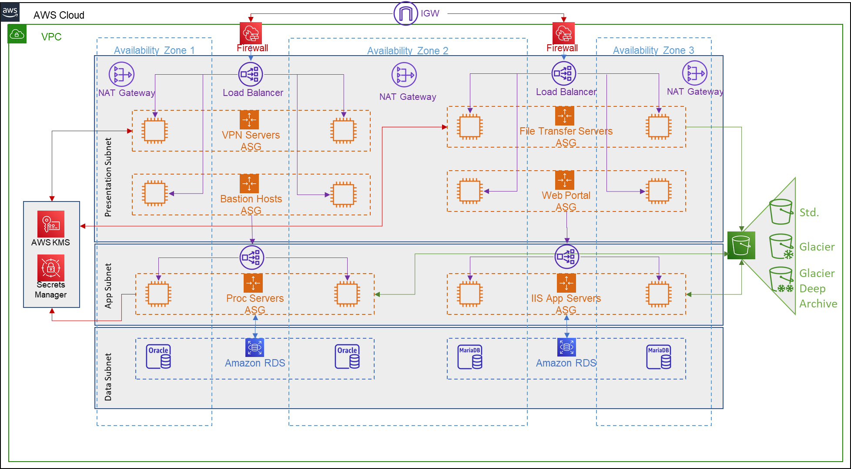
A | 1 | Backup Storage |  |  | 4500 | Prod | 2 | FTS Server | 2 | 4 | 50
- | 16 | Redhat licences |  |  |  | Prod | 1 | FTS Server usertest | 2 | 4 | 50
 |  |  |  |  |  | Dev/Test | 1 | FTS Server test | 2 | 4 | 50
 |  |  |  |  |  | Dev/Test | 1 | FTS Server dev | 2 | 4 | 50
 |  |  |  |  |  | Prod | 2 | Portal WBS | 4 | 16 | 500
 |  |  |  |  |  | Dev/Test | 1 | Portal WBS | 4 | 16 | 500
 |  |  |  |  |  | Prod | 2 | Portal APS | 4 | 16 | 500
 |  |  |  |  |  | Dev/Test | 1 | Portal APS | 4 | 16 | 500
 |  |  |  |  |  | Prod | 2 | Database prod | 4 | 16 | 500
 |  |  |  |  |  | Prod | 1 | Database usertest | 4 | 16 | 500
 |  |  |  |  |  | Dev/Test | 1 | Database test | 4 | 16 | 300
 |  |  |  |  |  | Dev/Test | 1 | Database dev | 4 | 16 | 300
 |  |  |  |  |  | Prod | 1 | Shared Storage |  |  | 2500
 |  |  |  |  |  | Dev/Test | 1 | Shared Storage |  |  | 2500
 |  |  |  |  |  | Prod | 1 | DataBase storage |  |  | 2000
 |  |  |  |  |  | Dev/Test | 1 | DataBase storage |  |  | 2000

